MindMap
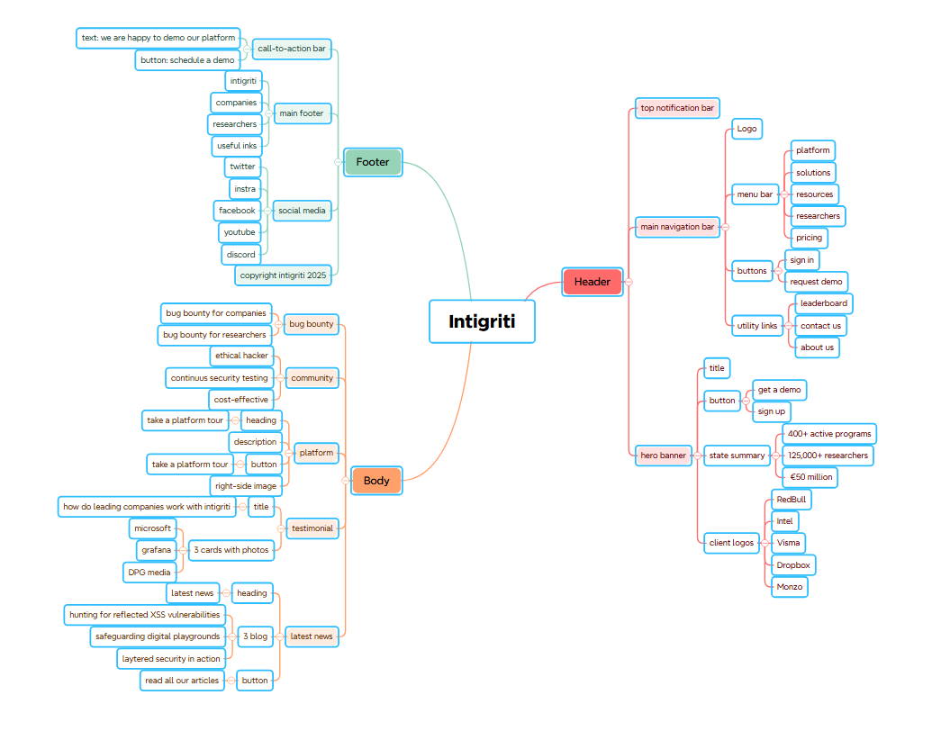
MindMap for Intigriti.com

